Product
PT. NUTRIFOOD INDONESIA |  |  | KODE FORM : F.Q.201


PENGEMBANGAN KONSEP AWAL PRODUK BARU
( PKP )
Tropicana Slim
Takayama
Author |  | : | Noviana
Last Updated On |  | : | Oct 21st 2020
 | Revision No | : | 0
Background
Idea | Tropicana Slim Sugar Free Japanese Curry
Target market | MF 25+ Upper 1,2
Uniqueness of idea | weak - moderate - strong
Estimated potential market | niche - in between - mass
Reason(s) | Japanese curry combines sweet and savory taste. Hence it's a great idea to pick up this flavor for cookies
Market Analysis
Launch Deadline | 2021
Aisle Placement | Biskuit, di sebelah TS Hokkaido Cookies
Sales Forecast | Rp150,000,000

NF Selling Price | Rp17,000
Consumer Price Target | Rp20,000

Main Competitor | Lotus Biscoff
Competitive Analysis | TBN
Product Features
Product Form | Biscuit
Product Packaging | Box with serving sachet (2 biscuit/sachet)
Kategori Pangan (BPOM)
Prefered Flavour | Lotus Biscoff
Product Benefits | Sugar Free
 | max 100 kkal per sachet

Mandatory Ingredients
Related Picture | see sheet reference

ATTENTION!
 | compulsory; filled by QBX (brand function) Managers
 | should only be filled with great certainty
 | should only be filled after discussion with QPA
Service Level Agreements | Lead Time QBX (brand function) |  | 5 workdays
 | Lead Time QPA (product development function) |  | [1 (benefits) + 2 (COGS)] = 2 workdays
 | Lead Time Revision |  | 2 workdays
Processes | After being filled. HOD approval request. Then, forward to RD as low priority project. Will be further prioritized in PV Cross Funct Mtg. Meanwhile, RD can prepare SLA projection to propose into PV's SLA for the project based on capacity and feasibility.

 |  |  | Revisi / Berlaku : 04 / 24.02.10
 |  |  | Lama Simpan : Selamanya

Market Potency
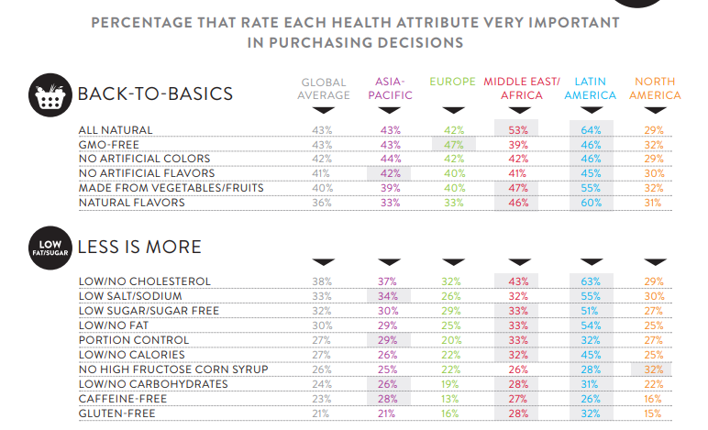
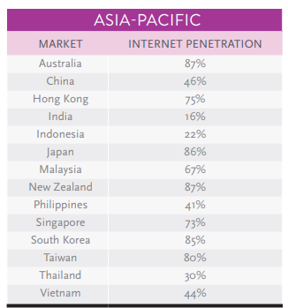
Jumlah penduduk Indonesia |  | 267,000,000
SES SU, U12 |  | 30% | Indonesian population
MF, 25-50 |  | 38% | Indonesian population
Snacking |  | 50%
Suka Japanese Curry |  | 5%
Healthy Concern |  | 30%
Choose Tropicana Slim |  | 10%

Target market TS |  | 22,829 | persons

Consume TS
- 1 pack per bulan |  | 22,829 | portion

Price TS |  | IDR 17,000 | per portion


Sales potency |  | IDR 129,361,500 | per month
 | Pembulatan | 150,000,000 | per month

 | Distribusi e-com & RKA premium | 50,000,000

 |  |  |  | 464982 | 883883
 |  |  |  | 524826
 |  |  |  | 509726 | 6947659
 |  |  |  | 451364
 |  |  |  | 380792 | 10177924
 |  |  |  | 323266 | 3230265
 |  |  |  | 323266 | 68%
 |  |  |  | 267752
 |  |  |  | 284080
 |  |  |  | 375893
 |  |  |  | 2916139
 |  |  |  | 31.9%

